Resumen
Testeo | ROR 2 - ORACLE - UNICORN

Casos | Numero de request | Avg gen time (ms) | Desviation (ms) | Min gen time (ms) | Max gen time(ms) | Errors | Throughput Generado Avg req/sec | Throughput Pedido (req/sec)
Simple Concurrent | 3000 | 503.28966667 | 275.15106474 | 53 | 3878 | 0 | 35.9/sec | -
Gaussian Concurrent | 3000 | 238.05633333 | 134.13705861 | 47 | 1243 | 0 | 33.1/sec | -
Throughtput 5 | 3000 | 90.514333333 | 50.115797189 | 43 | 942 | 0 | 5.0/sec | 5.0 /sec
Throughtput 8 | 3000 | 98.441 | 46.810944436 | 46 | 676 | 0 | 8.0/sec | 8.0 / sec
Throughtput 10 | 3000 | 96.844 | 67.790173801 | 45 | 1712 | 0 | 10.0/sec | 10.0 /sec
Throughtput 15 | 3000 | 103.983 | 79.282024304 | 46 | 3211 | 0 | 14.9/sec | 15.0 /sec
Throughtput 20 | 3000 | 103.36166667 | 56.461835463 | 46 | 651 | 0 | 19.8/sec | 20.0 /sec
Throughtput 25 | 3000 | 110.25966667 | 89.403088537 | 44 | 3081 | 0 | 24.8/sec | 25.0 /sec
Throughtput 30 | 3000 | 139.38666667 | 118.7978219 | 46.0 | 3211.0 | 0 | 29.5/sec | 30.0 /sec
Throughtput 35 | 3000 | 183.66466667 | 106.8293634 | 47 | 972 | 0 | 33.6/sec | 35.0 /sec
Throughtput 40 | 3000 | 279.10566667 | 154.62397346 | 49 | 1359 | 0 | 37.3/sec | 40.0 /sec
Throughtput 45 | 3000 | 397.28333333 | 244.38921223 | 50 | 3366 | 0 | 37.7/sec | 45.0 /sec

Simple Concurrent
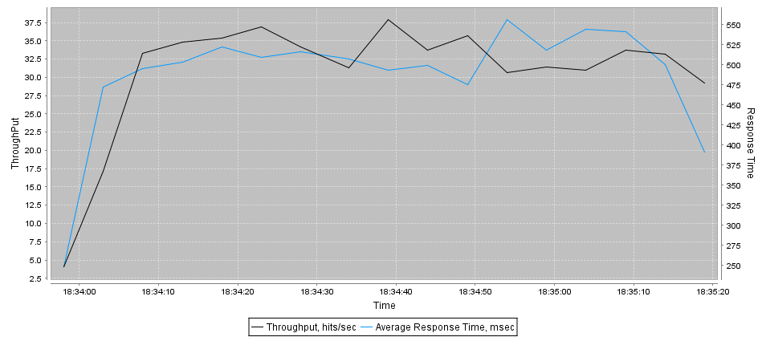
Url | Samples | Average | Desviation | Min | Max | Errors | Throughput req/sec | KB/Sec
ip-0AD076EF | 3000 | 503 | 275 | 53 | 3878 | 0 | 35.9/sec | 2682.14

Gaussian Concurrent
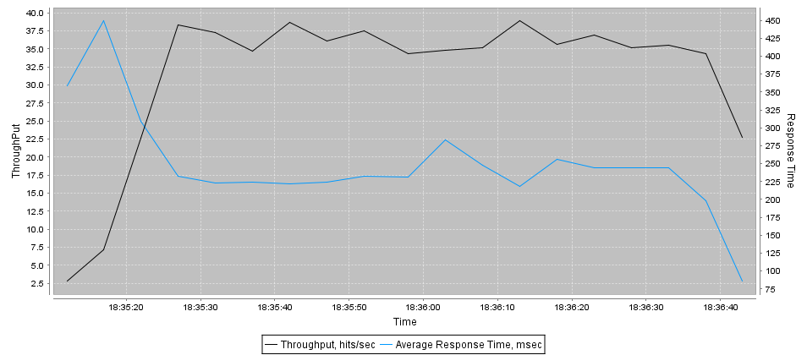
Url | Samples | Average | Desviation | Min | Max | Errors | Throughput req/sec | KB/Sec
ip-0AD076EF | 3000 | 238 | 134 | 47 | 1243 | 0 | 33.1/sec | 2471.85

Throughtput 5
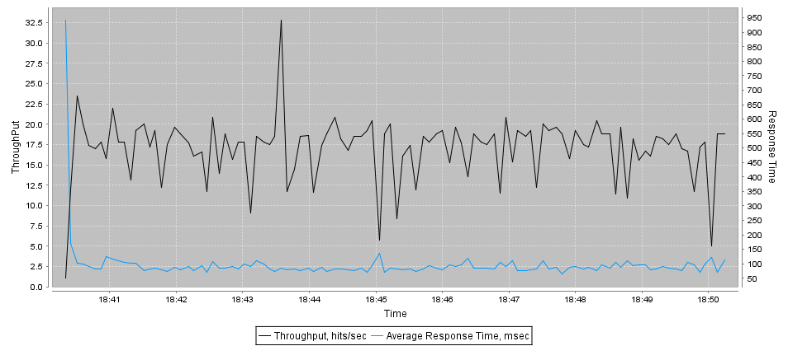
Url | Samples | Average | Desviation | Min | Max | Errors | Throughput req/sec | KB/Sec
ip-0AD076EF | 3000 | 91 | 50 | 43 | 942 | 0 | 5.0/sec | 374.94

Throughtput 8
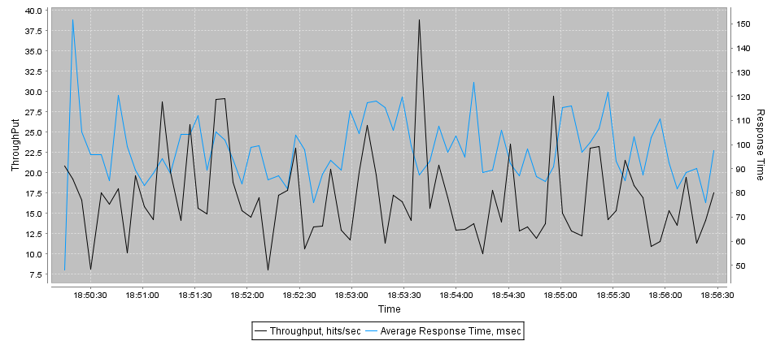
Url | Samples | Average | Desviation | Min | Max | Errors | Throughput req/sec | KB/Sec
ip-0AD076EF | 3000 | 98 | 47 | 46 | 676 | 0 | 8.0/sec | 598.34

Throughtput 10
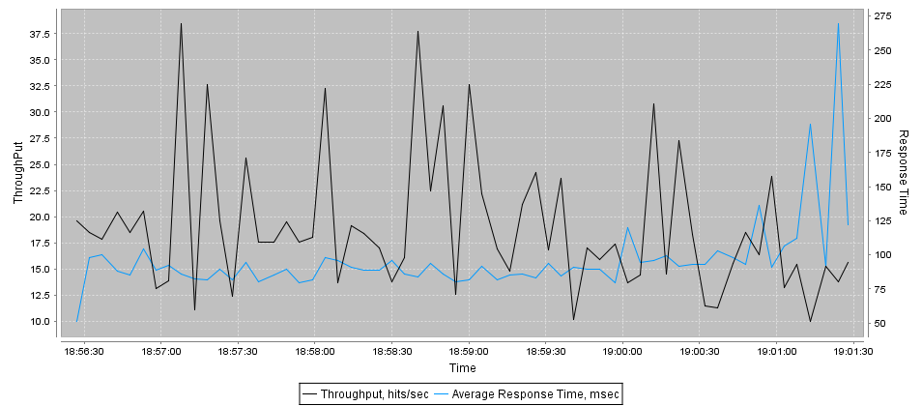
Url | Samples | Average | Desviation | Min | Max | Errors | Throughput req/sec | KB/Sec
ip-0AD076EF | 3000 | 97 | 68 | 45 | 1712 | 0 | 10.0/sec | 746.96

Throughtput 15
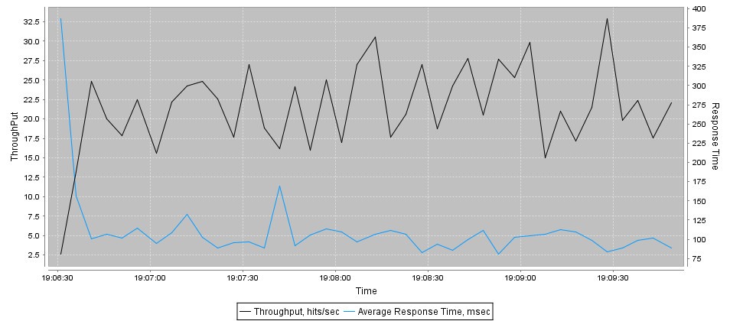
Url | Samples | Average | Desviation | Min | Max | Errors | Throughput req/sec | KB/Sec
ip-0AD076EF | 3000 | 104 | 79 | 46 | 3211 | 0 | 14.9/sec | 1115.85

Throughtput 20
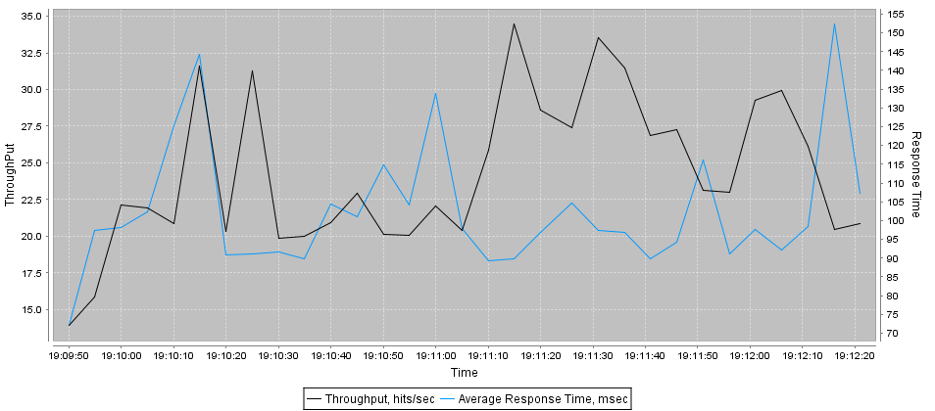
Url | Samples | Average | Desviation | Min | Max | Errors | Throughput req/sec | KB/Sec
ip-0AD076EF | 3000 | 103 | 56 | 46 | 651 | 0 | 19.8/sec | 1480.92

Throughtput 25
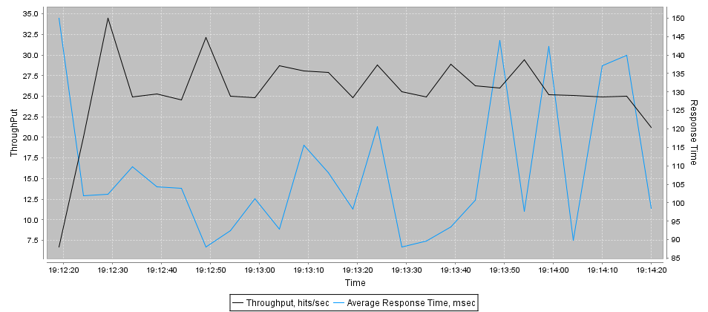
Url | Samples | Average | Desviation | Min | Max | Errors | Throughput req/sec | KB/Sec
ip-0AD076EF | 3000 | 110 | 89 | 44 | 3081 | 0 | 24.8/sec | 1851.42

Throughtput 30
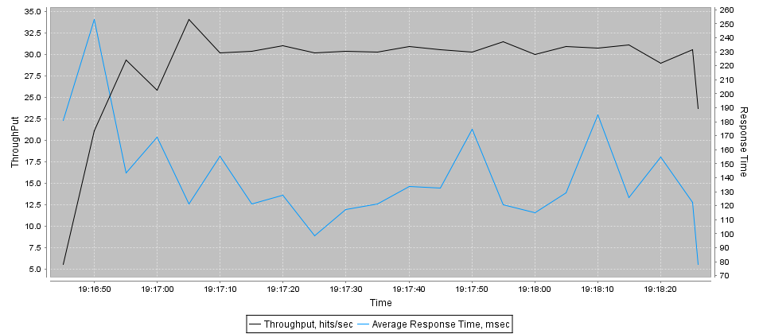
Url | Samples | Average | Desviation | Min | Max | Errors | Throughput req/sec | KB/Sec
ip-0AD076EF | 3000 | 139 | 119 | 46.0 | 3211.0 | 0 | 29.5/sec | 2207.31

Throughtput 35
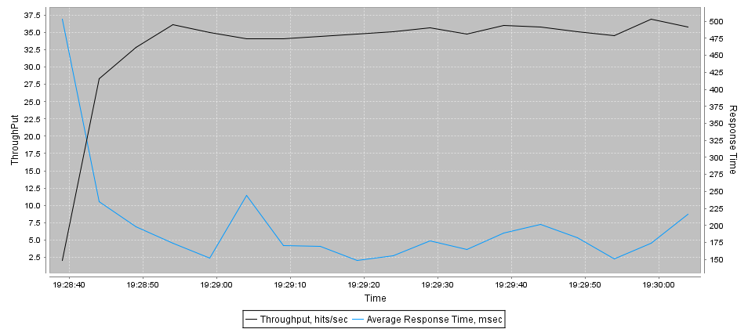
Url | Samples | Average | Desviation | Min | Max | Errors | Throughput req/sec | KB/Sec
ip-0AD076EF | 3000 | 184 | 107 | 47 | 972 | 0 | 33.6/sec | 2514.91

Throughtput 40
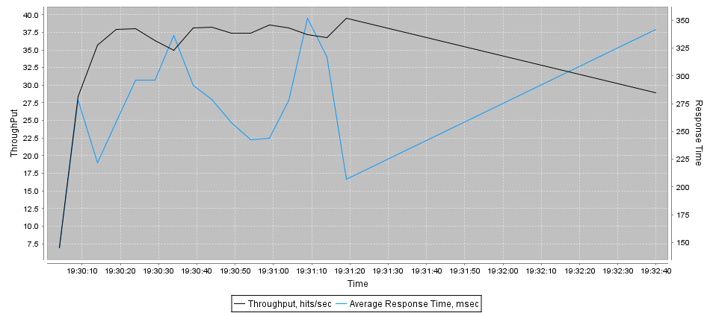
Url | Samples | Average | Desviation | Min | Max | Errors | Throughput req/sec | KB/Sec
ip-0AD076EF | 3000 | 279 | 155 | 49 | 1359 | 0 | 37.3/sec | 2791.48

Throughtput 45
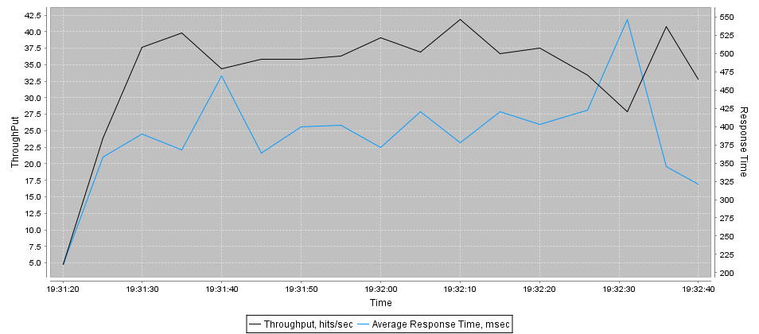
Url | Samples | Average | Desviation | Min | Max | Errors | Throughput req/sec | KB/Sec
ip-0AD076EF | 3000 | 397 | 244 | 50 | 3366 | 0 | 37.7/sec | 2816.08

